Sheet4
SALES MIS DASHBOARD
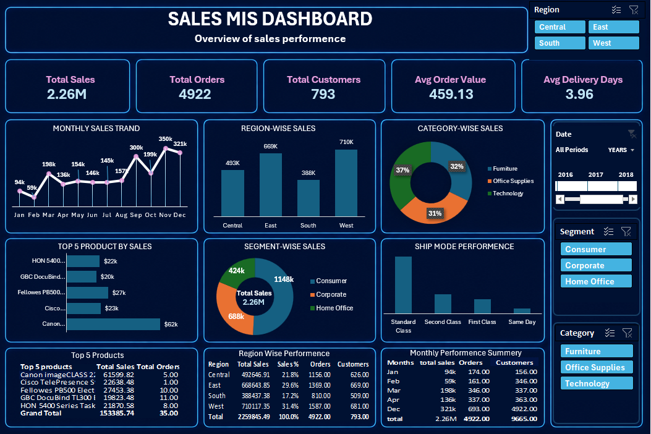

Objective:
To analyze sales performance, customer contribution, product trends, regional sales, and shipping efficiency using an interactive MIS dashboard.

Tools Used:
Excel, Power Query, Power Pivot, Pivot Tables, DAX, Data Visualization Using Pivot Chart

1 | KPI Summary
 | total sales | total orders | total customers | avg order value | Average Delivery Days
 | 2.26M | 4922 | 793 | $ 459.13 | 3.96 Days

2 | What is the monthly sales trend?

 | Row Labels | total sales
 | Jan | 94.29k
 | Feb | 59.37k
 | Mar | 197.53k
 | Apr | 135.71k
 | May | 154.09k
 | Jun | 145.84k
 | Jul | 145.45k
 | Aug | 157.32k
 | Sep | 300.05k
 | Oct | 199.5k
 | Nov | 349.62k
 | Dec | 321.09k
 | Grand Total | 2.26M

 | Insight:
 | Sales performance increased significantly during Q4, with November recording the highest monthly sales.

3 | Which region generated highest sales?
 | region | total sales
 | West | 710.12k
 | South | 388.44k
 | East | 668.64k
 | Central | 492.65k
 | Grand Total | 2.26M
 | Insight
 | West region generated highest sales contribution.

4 | Which category contributed maximum revenue?

 | category | total sales | contributions
 | Technology | 827.06k | 36.60%
 | Office Supplies | 704.69k | 31.18%
 | Furniture | 728.09k | 32.22%
 | Grand Total | 2.26M | 100.00%

 | Insight
 | Technology category contributed highest revenue share.

5 | Top 5 products by sales
 | Top 5 Products | total sales
 | Canon imageCLASS 2200 | 61.6k
 | Office Star - | 29.5k
 | Fellowes PB500 Electric | 27.5k
 | Cisco TelePresence System | 22.6k
 | HON 5400 Series | 21.9k
 | Grand Total | 163.0k

 | Insight:
 | Canon imageCLASS 2200 was the highest revenue-generating product among the top-selling products.

6 | Segment wise sales

 | segment | total sales | contribution
 | Consumer | 1.15M | 50.79%
 | Corporate | 0.69M | 30.44%
 | Home Office | 0.42M | 18.77%
 | Grand Total | 2.26M | 100%

 | Insight:
 | Consumer segment contributed more than 50% of total sales revenue.

7 | ship mode
 | ship mode | total sales | contribution
 | First Class | 0.35M | 15.29%
 | Same Day | 0.13M | 5.54%
 | Second Class | 0.45M | 19.87%
 | Standard Class | 1.34M | 59.30%
 | Grand Total | 2.26M | 100.00%
 | Insight:
 | Standard Class was the most frequently used shipping mode with highest sales contribution.

Key Business Findings:
• West region generated highest sales contribution.
• Technology category was the top-performing category.
• Consumer segment accounted for over 50% of total sales.
• Standard Class was the most frequently used shipping mode.
• Canon imageCLASS 2200 was the highest-selling product.

Conclusion:
The Sales MIS Dashboard provides a centralized view of sales performance, customer contribution, product trends, regional analysis, and shipping efficiency, helping management make data-driven decisions effectively.

Created by: Sourav Jha| Excel Sales MIS Dashboard Project

Dashboard

SALES MIS DASHBOARD

Overview of sales performence

Total Sales
Total Orders
Total Customers
Avg Order Value
Avg Delivery Days
2.26M
4922
793
459.13
3.96

MONTHLY SALES TRAND
 | Total
Jan | 94291.6296
Feb | 59371.1154
Mar | 197527.9072
Apr | 135709.6686
May | 154086.7237
Jun | 145837.5233
Jul | 145445.629
Aug | 157315.927
Sep | 300054.2917
Oct | 199496.2947
Nov | 349617.331
Dec | 321091.4535
REGION-WISE SALES
CATEGORY-WISE SALES
 | Total
Central | 492646.9132
East | 668643.854
South | 388437.379
West | 710117.3485
 | Total
Furniture | 728090.8237
Office Supplies | 704693.094
Technology | 827061.577

 | Total
Canon imageCLASS 2200 Advanced Copier | 61599.82
Fellowes PB500 Electric Punch Plastic Comb Binding Machine with Manual Bind | 27453.38
HON 5400 Series Task Chairs for Big and Tall | 21870.58
Cisco TelePresence System EX90 Videoconferencing Unit | 22638.48
GBC DocuBind TL300 Electric Binding System | 19823.48
TOP 5 PRODUCT BY SALES
SEGMENT-WISE SALES
 | Total
Standard Class | 1340122.24
Second Class | 448981.08
First Class | 345523.14
Same Day | 125219.04
SHIP MODE PERFORMENCE
 | Total
Consumer | 1147671.82
Corporate | 687949.69
Home Office | 424223.98

2.26M
Total Sales

Top 5 Products
Region Wise Performence
Monthly Performence Summery

